Addendum
 | 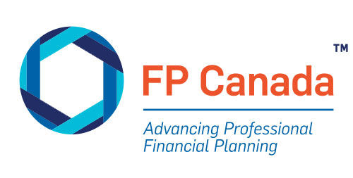

Addendum to the 2020 Projection Assumption Guidelines

Institut québécois de planification financière (IQPF)
FP Canada Standards Council

Nathalie Bachand, A.S.A., F.Pl.
Derek Dedman, CFP®, CFA
Martin Dupras, A.S.A., F.Pl., M. Fisc., ASC
Daniel Laverdière, A.S.A., F.Pl.
A. Kim Young, CFP®, FCIA

© 2020 Institut québécois de planification financière
© 2020 FP Canada Standards Council ™

